WELCOME
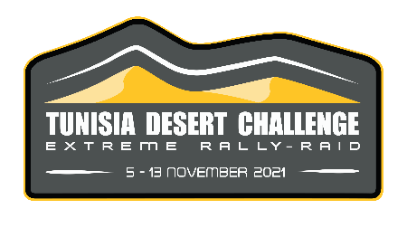
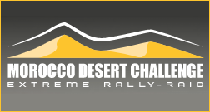
MOROCCO DESERT CHALLENGE 2023

Please select your vehicle type below:

 | 4x4 - Buggy | Please contact us if you cannot find the desired track size or profile!

 | SSV

 | Moto

 | Arisun

 | Classics
Send your order by email: online@hug-s.com

Classics
NAME (Last,1st) * :
Team* :
Phone* :
Email* :

All fields marked with an asteriks (*) are required

MOROCCO DESERT CHALLENGE 2023
4X4 - BUGGY - CLASSICS

 | 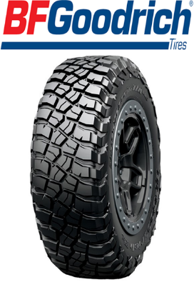 | 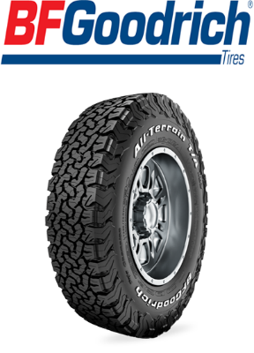

 | KM3 | KO2

 | CONTACT US FOR AN ESTIMATE : online@hug-s.com

 | DISTRIBUTOR

