WELCOME
ANDALUCIA RALLY 2022 (7 to 12 June)
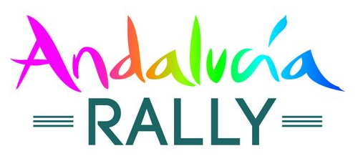

Please select your vehicle type below :

 | 4x4 - Buggy | Please contact us if you cannot find the desired track size or profile

 | SSV

 | Moto

Send your order by email : online@hug-s.com

